Instruction
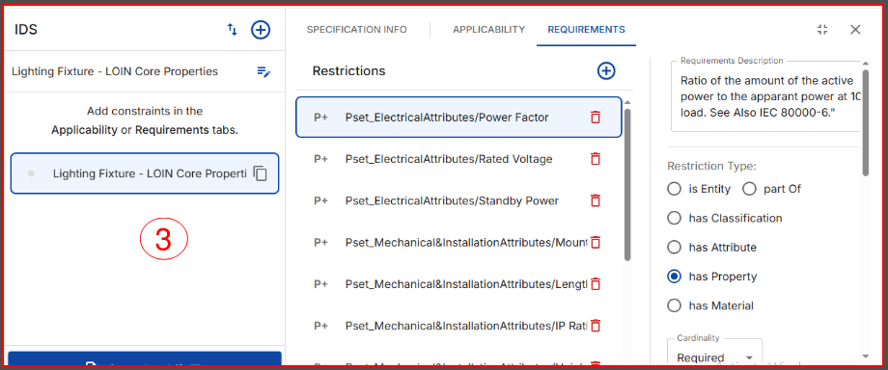
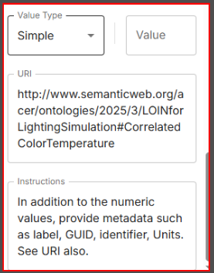
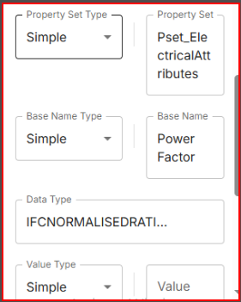
LOIN-Lighting Fixture | This includes what LOIN embeds into and is expected to be delivered.
IDS for LOIN | This sheet contains the IDS prepared according to the LOIN. Picture is attached for comprehensive understanding of the input at sheet 3 (IDS for LOIN)

The python script extracts information from sheet 3 and produces the IDS file

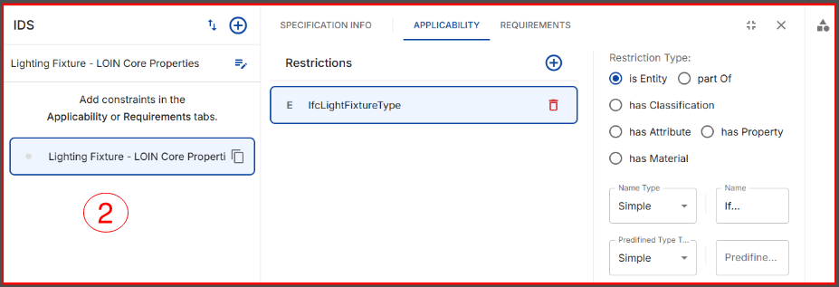
 | It should be noted that the IDS can only provide the requirements based on its schema. Since the LOIN is rich in metadata, it may not be possible to include all the attributes of the properties. The best that could be done is to use : 1. Use URI element in IDS to link our property instance 2. Use Property description to instruct modeler "Refer the URI for property and see the property description to include all other attributes of the property" 3. For the Property Instruction, "For each property, add metadata: label, definition, identifier, unit, GUID" | 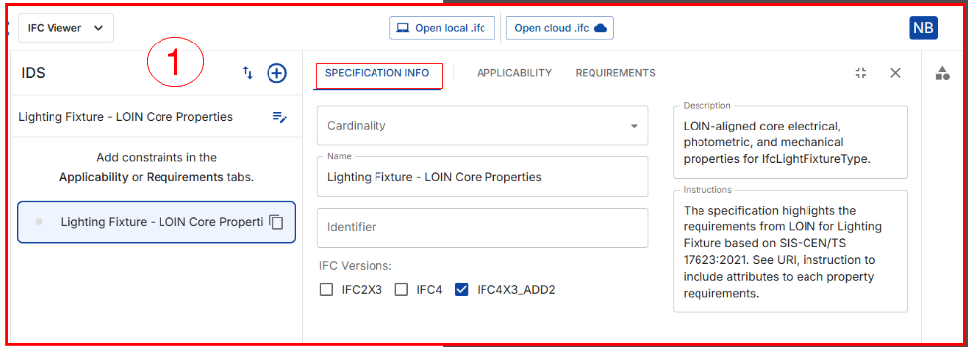

IDS official schema | https://github.com/buildingSMART/IDS
Free IDS viewer | https://viewer.sortdesk.com/

